Course Assessment
 | Course Assessment Work Sheet |  |  | Department of Information Technology
Subject code | IT6601
Subject Name | Mobile Computing
Year & Sem | Third Year, Semester VI
Ac Year | 2015-2016
Name of Faculty | Mr.K.Sridharan

 | COURSE OUTCOMES
Students should be able to do the following tasks, described as "Course Outcomes"
 |  |  |  |  | BTL Level
C311.1 | Explain the basics of mobile telecommunication system |  |  | R | Remember
C311.2 | Choose the required functionality at each layer for given application |  |  | U,AP | Understand,Apply
C311.3 | Identify solution for each functionality at each layer |  |  | AP,A | Apply, Analyse
C311.4 | Use simulator tools and design Ad hoc networks |  |  | A,E | Analyse.Evaluate
C311.5 | Develop a different mobile application with platforms |  |  | E,C | Evaluate,Create
C311.6 | Apply the knowledge gained in exploring, application and protocol development |  |  | AP,E | Apply, Evaluate

 | Assesment - CO Matrix:
Assesment Type | Assessment Instruments / Methodology | Course Outcomes ( CO )
 |  | CO1 | CO2 | CO3 | CO4 | CO5 | CO6
 | Final Exam
DIRECT | Tests / Model Exams | 54.33 | 66.67 | 49.67 | 62.67 | 56.00 | 86.33
 | Quizzes
 | Assignments | 58.00 | 62.00 | 48.50 | 70.00 | 66.00 | 56.00
 | Projects [ Mini / Major ]
 | Seminars
 | Lab Practices
 | Viva
INDIRECT | Assessment Of Course Outcomes
 | Student Feed Back on Faculty
 | Assessment Of Mini/Major Projects By Ext. Experts
Program Outcomes : |  | PO1 , PO2 , PO4 , PO7 , PO 10 , PO8 , PSO1 | PO1 , PO2 , PO7 , PO4 , PO6 , PO 11 , PSO2 , PSO1 | PO3 , PO4 , PO7 , PO8 , PO 10 , PSO2 , PSO3 | PO3 , PO4 , PO5 , PO6 , PO 11 , PSO2 | PO1 , PO2 , PO5 , PO7 , PSO2 , PSO3 | PO2 , PO4 , PO5 , PO 12 , PSO1

Target CO's | Assessment Instruments |  | Maximum Marks
CO1 CO2 | Assigment 1 |  | 20
 | Assigment 2 |  | 20
 | Internal Assesment Exam-1 |  | 100
CO3 CO4 | Assigment 3 |  | 20
 | Assigment 4 |  | 20
 | Internal Assesment Exam-2 |  | 100
CO5 CO6 | Assigment 5 |  | 20
 | Assigment 6 |  | 20
 | Internal Assesment Exam-3 |  | 100
 | Test 4
 | Test 5
 | Test 6

Note : | The number of assessment instruments used for IAE is decided by EXPERTS GROUPS

Criteria for Assessment
 | Percentage of students who got 60% or more marks in Internal Assessment Examinations(IAE)
 | Percentage of students who got more than or equal to D grade in Semester End Examination ( SEE )
 | Minimum Level | 70% of students

1 | IAE | Enter Considerable secured % and Above | 60%
2 | SEE | Enter Considerable secured % and Above | 60%
3 | Assigment | Enter Considerable secured % and Above | 60%

Course Evidence of Outcome Acheivement :
 | Students complete Assignments , Tests , Quiz and Seminar that assess their ability to develop and code programs.
 | Students must critically assess their work to locate and correct errors in their progam logic
 | Students solve computing problems using tools that they practise in clsss

Contribution of Course outcomes to Prgoram outcomes

 | Program Outcome | contribution | % of PO attainment
 | PO1 | Engineering Knowledge | 74.96
 | PO2 | Problem Analysis | 73.76
 | PO3 | Design / Development Of Solutions | 47.30
 | PO4 | Conduct Investigations Of Complex Problems | 72.51
 | PO5 | Modern Tool Usage | 71.63
 | PO6 | The Engineer And Society | 48.16
 | PO7 | Environment And Sustainability | 74.12
 | PO8 | Ethics | 49.31
 | PO9 | Individual And Team Work | -
 | PO10 | Communication | 49.31
 | PO11 | Project Management And Finance | 48.16
 | PO12 | Life-Long Learning | 23.39

 | PSO1 | Domain Knowledge and Design Formulation | 49.03
 | PSO2 | System Development and Exploration | 72.61
 | PSO3 | Research Initiation and Incubation | 48.66

Assessment of Course outcomes and mapping with Program outcomes

 | Assessment Method | % of attainment | Program outcomes

C311.1 | Assignment / IAE | 76.34 | PO1 , PO2 , PO4 , PO7 , PO 10 , PO8 , PSO1
C311.2 | Assignment / IAE | 74.15 | PO1 , PO2 , PO7 , PO4 , PO6 , PO 11 , PSO2 , PSO1
C311.3 | Assignment / IAE | 71.59 | PO3 , PO4 , PO7 , PO8 , PO 10 , PSO2 , PSO3
C311.4 | Assignment / IAE | 70.32 | PO3 , PO4 , PO5 , PO6 , PO 11 , PSO2
C311.5 | Assignment / IAE | 74.40 | PO1 , PO2 , PO5 , PO7 , PSO2 , PSO3
C311.6 | Assignment / IAE | 70.17 | PO2 , PO4 , PO5 , PO 12 , PSO1

Assessment of Course outcomes

 |  | CO1 | CO2 | CO3 | CO4 | CO5 | CO6
 | Attainment Level
 | Attainment In %

 |  | PO1 | PO2 | PO3 | PO4 | PO5 | PO6 | PO7 | PO8 | PO9 | PO10 | PO11 | PO12 | PSO1 | PSO2 | PSO3
 | Average ( % ) | 74.96 | 73.76 | 47.30 | 72.51 | 71.63 | 48.16 | 74.12 | 49.31 | - | 49.31 | 48.16 | 23.39 | 49.03 | 72.61 | 48.66
 | Target ( % )

 | Level | PO1 | PO2 | PO3 | PO4 | PO5 | PO6 | PO7 | PO8 | PO9 | PO10 | PO11 | PO12 | PSO1 | PSO2 | PSO3
 | Attainment Level | 3.00 | 3.00 | 2.00 | 3.00 | 3.00 | 2.00 | 3.00 | 2.00 | 0.00 | 2.00 | 2.00 | 1.00 | 2.00 | 3.00 | 2.00
 | Target Level | 2.00 | 2.00 | 2.00 | 2.00 | 2.00 | 2.00 | 2.00 | 2.00 | 0.00 | 2.00 | 2.00 | 2.00 | 2.00 | 2.00 | 2.00
 | PO Achivement for the Course | YES | YES | YES | YES | YES | YES | YES | YES | YES | YES | YES | NO | YES | YES | YES

PO Attainment

CO - PO Mapping

Target Level

Comments
 | All the course outcomes and corresponding program outcomes showed expected level of attainment.

Recommendations for improvement

program outcomes
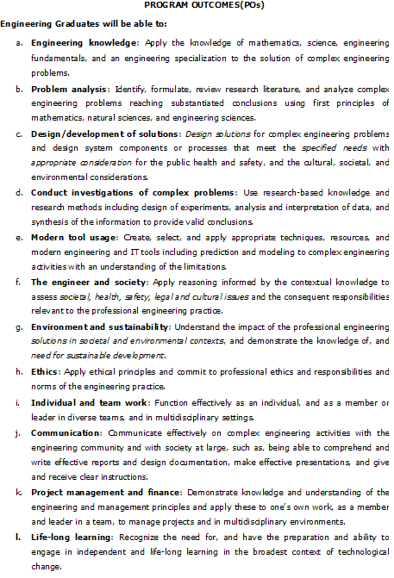
Information Technology - Program Outcomes

Syllabus
Information Technology - Syllabus

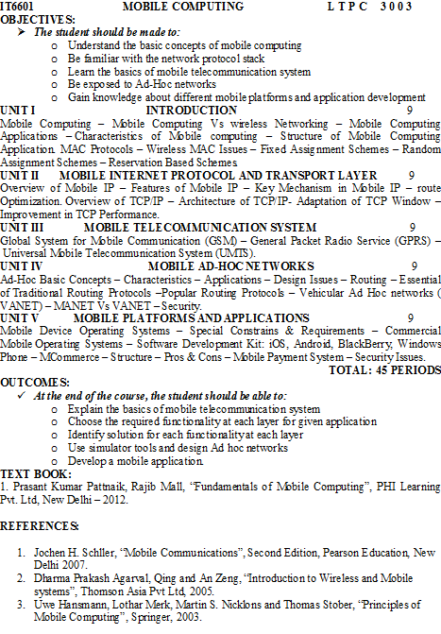

 | No. of students secured 60 % and above | 60%

